Urgent Payments
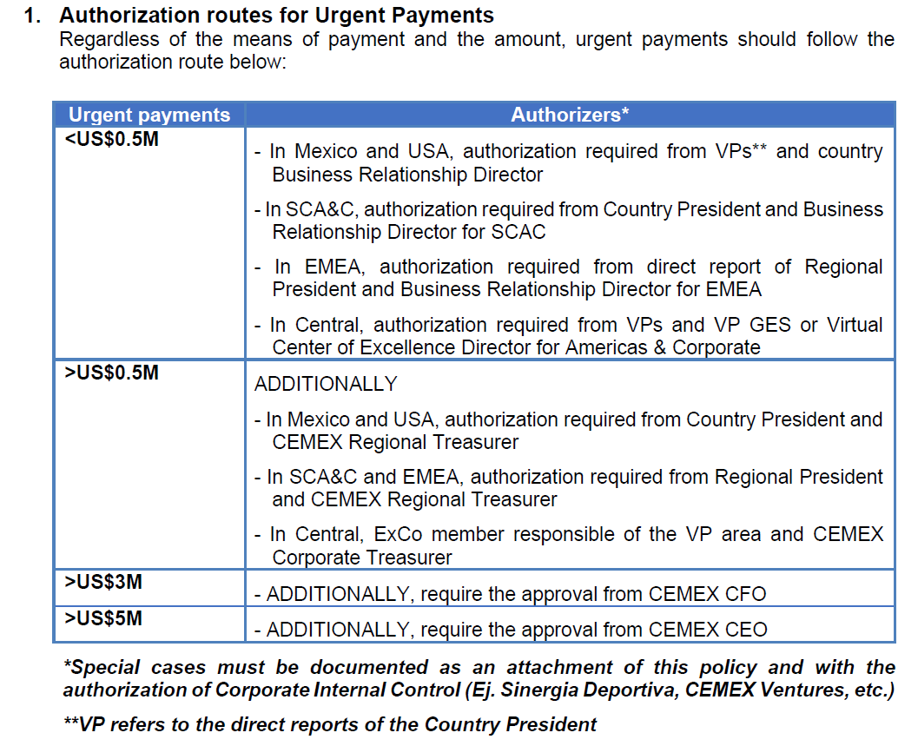
Urgent Payment Policy - - Approvers and limits in Service Now based on the Section II.1
Authorization routes for Urgent Payments - Regardless of the means of payment and the amount, urgent payments should follow the authorization route below:

<US$0.5M
In Mexico and USA, authorization required from VPs** and country Business Relationship Director
In SCA&C, authorization required from Country President and Business Relationship Director for SCAC
In EMEA, authorization required from direct report of Regional President or relevant ExCo member (list below) and Business Relationship Director for EMEA (currently Javier Garcia Ruiz de Morales)

Name | Funcion | Comments
Jose Antonio Cabrera | President region EMEA
Carlos Emilio Gonzalez Gallegos | Country President for Egypt and UAE | reports to Jose Antonio Cabrera (President region EMEA)
Ytzhak Bejerano | Country President for Israel | reports to Jose Antonio Cabrera (President region EMEA)
Luis Guillermo Franco Carrillo | President & CEO CEMEX Philippines | reports to Jose Antonio Cabrera (President region EMEA)
Matthew James Wild | VP Supply Chain & Procurement EMEA (approvals for Supply Chain Area) | reports to Jose Antonio Cabrera (President region EMEA)
Antonio Desmay | Procurement Regional Director EMEA (approvals for Procurement Area) | reports to Matthiew James Wild (VP Supply Chain & Procurement)
Michel Andre | VP Materials West Europe (approvals for ES, FR, UK) | reports to Jose Antonio Cabrera (President region EMEA)
Rudiger Kuhn | VP CEMEX Germany & Materials Central Europe (approvals for PL, CZ, DE, HR) | reports to Jose Antonio Cabrera (President region EMEA)
Derek O'Donnell | VP Human Resources EMEA | reports to Jose Antonio Cabrera (President region EMEA)
Elise Jouffrey | Customer Experience & Marketing Director EMEA | reports to Jose Antonio Cabrera (President region EMEA)
Marcelo Catala Espinosa | VP Urbanization Solution EMEA | reports to Jose Antonio Cabrera (President region EMEA)
Graham Russell | VP Cement Commercial Europe | reports to Jose Antonio Cabrera (President region EMEA)
Juan Fernando Enriquez Martell | VP Cement Operations & Technology EMEA | reports to Jose Antonio Cabrera (President region EMEA)
Jose Manuel Cascajero Rodriguez | VP Strategic Planning EMEA | reports to Jose Antonio Cabrera (President region EMEA)
Robert House | VP Health & Safety Director EMEA | reports to Jose Antonio Cabrera (President region EMEA)
Andrew Spencer | VP Corporate Affairs, Sustainability, ERM, Communication, Social Impact | reports to Jose Antonio Cabrera (President region EMEA)
Roger Saldana Madero | VP Corporate Legal | reports to Maher Al-Haffar (Executive VP Finance and Administration)
Oscar Balmore Elizondo De La Garza | VP GES | reports to Maher Al-Haffar (Executive VP Finance and Administration)
Gabriel Andrade Ochoa | VP Corporate Tax | reports to Maher Al-Haffar (Executive VP Finance and Administration)
Rafael Garza Lozano | VP Controllership | reports to Maher Al-Haffar (Executive VP Finance and Administration)
Fausto Sosa De La Fuente | VP Information Technology | reports to Luis Hernandez Echavez (Executive VP Digital and Organization Development)
Homero Resendez | VP Digital Enablement | reports to Luis Hernandez Echavez (Executive VP Digital and Organization Development)
Gonzalo Galindo Gout | VP Cemex Ventures | reports to Luis Hernandez Echavez (Executive VP Digital and Organization Development)

>US$0.5M ADDITIONALLY
In Mexico and USA, authorization required from Country President and CEMEX Regional Treasurer
In SCA&C and EMEA, authorization required from Regional President (currently Jose Antonio Cabrera) and CEMEX Regional Treasurer (currently Angel Mendez Molina)
In Central, ExCo member responsible of the VP area and CEMEX Corporate Treasurer

>US$3M - ADDITIONALLY
require the approval from CEMEX CFO - Executive Vice President of Finance and Administration (currently Maher Al-Haffar)

>US$5M - ADDITIONALLY
require the approval from CEMEX CEO (Chief Executive Officer) - currently Jaime Muguiro

Payment Terms
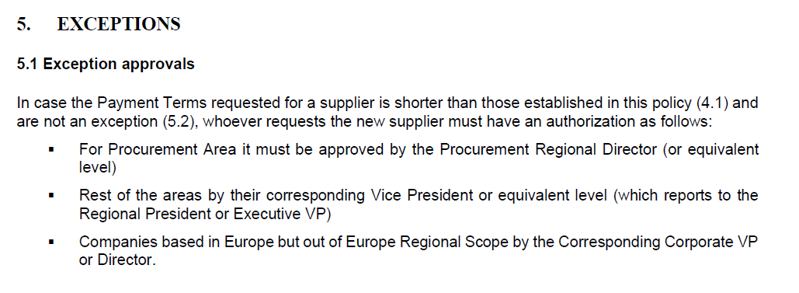
Europe Payment Terms Policy for Suppliers - Approvers and limits based on the chapter 5.1

List of VIPs

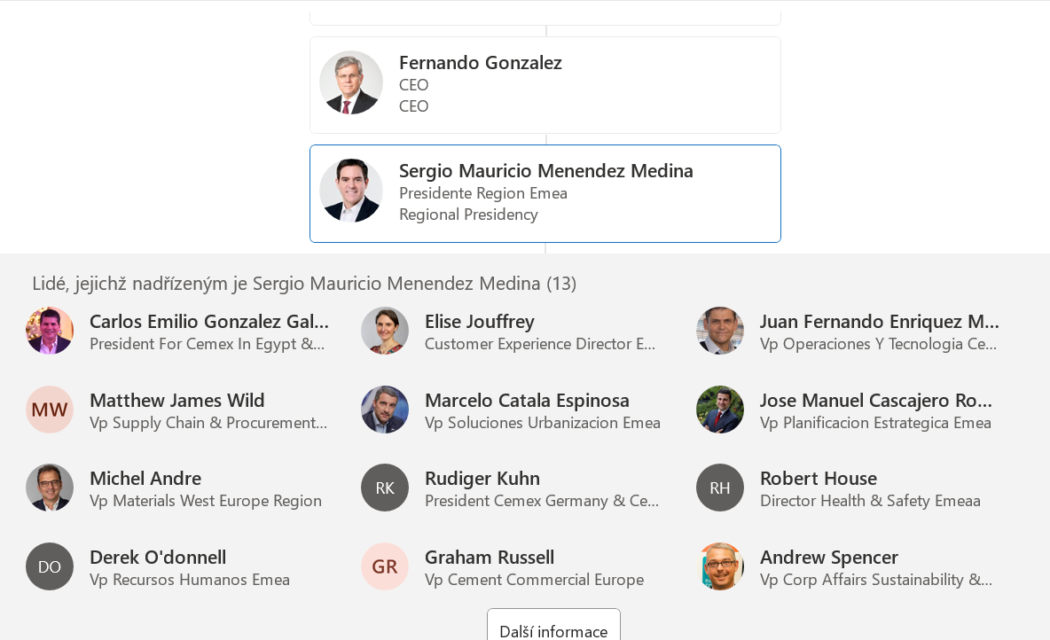
Name | Funcion | Comments
Jose Antonio Cabrera | President region EMEA
Carlos Emilio Gonzalez Gallegos | Country President for Egypt and UAE | reports to Jose Antonio Cabrera (President region EMEA)
Ytzhak Bejerano | Country President for Israel | reports to Jose Antonio Cabrera (President region EMEA)
Luis Guillermo Franco Carrillo | President & CEO CEMEX Philippines | reports to Jose Antonio Cabrera (President region EMEA)
Matthew James Wild | VP Supply Chain & Procurement EMEA (approvals for Supply Chain Area) | reports to Jose Antonio Cabrera (President region EMEA)
Antonio Desmay | Procurement Regional Director EMEA (approvals for Procurement Area) | reports to Matthiew James Wild (VP Supply Chain & Procurement)
Michel Andre | VP Materials West Europe (approvals for ES, FR, UK) | reports to Jose Antonio Cabrera (President region EMEA)
Rudiger Kuhn | VP CEMEX Germany & Materials Central Europe (approvals for PL, CZ, DE, HR) | reports to Jose Antonio Cabrera (President region EMEA)
Derek O'Donnell | VP Human Resources EMEA | reports to Jose Antonio Cabrera (President region EMEA)
Elise Jouffrey | Customer Experience & Marketing Director EMEA | reports to Jose Antonio Cabrera (President region EMEA)
Marcelo Catala Espinosa | VP Urbanization Solution EMEA | reports to Jose Antonio Cabrera (President region EMEA)
Graham Russell | VP Cement Commercial Europe | reports to Jose Antonio Cabrera (President region EMEA)
Juan Fernando Enriquez Martell | VP Cement Operations & Technology EMEA | reports to Jose Antonio Cabrera (President region EMEA)
Jose Manuel Cascajero Rodriguez | VP Strategic Planning EMEA | reports to Jose Antonio Cabrera (President region EMEA)
Robert House | VP Health & Safety Director EMEA | reports to Jose Antonio Cabrera (President region EMEA)
Andrew Spencer | VP Corporate Affairs, Sustainability, ERM, Communication, Social Impact | reports to Jose Antonio Cabrera (President region EMEA)
Roger Saldana Madero | VP Corporate Legal | reports to Maher Al-Haffar (Executive VP Finance and Administration)
Oscar Balmore Elizondo De La Garza | VP GES | reports to Maher Al-Haffar (Executive VP Finance and Administration)
Gabriel Andrade Ochoa | VP Corporate Tax | reports to Maher Al-Haffar (Executive VP Finance and Administration)
Rafael Garza Lozano | VP Controllership | reports to Maher Al-Haffar (Executive VP Finance and Administration)
Fausto Sosa De La Fuente | VP Information Technology | reports to Luis Hernandez Echavez (Executive VP Digital and Organization Development)
Homero Resendez | VP Digital Enablement | reports to Luis Hernandez Echavez (Executive VP Digital and Organization Development)
Gonzalo Galindo Gout | VP Cemex Ventures | reports to Luis Hernandez Echavez (Executive VP Digital and Organization Development)

